order
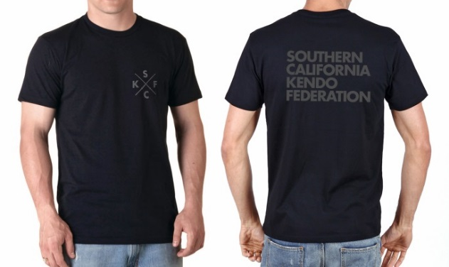
SCKF TSHIRT ORDER FORM |  |  |  |  |  |  |  |  |  | DEADLINE: FRIDAY, 6/9/17
Cost: | $13 per shirt |  |  |  |  |  |  |  |  | Dojo reps: please email this
Sizes: | Youth (XS, S, M, L, XL) |  |  |  |  |  |  |  |  | form or a picture of it to
 | Adult (S, M, L, XL, XXL, 3~5XL) |  |  |  |  |  |  |  |  | shoshiono@yahoo.com
Color: | Black w/ grey lettering |  |  |  |  |  |  |  |  | Sho Shiono: (949) 285-4879
Dojo: |  |  |  |  |  |  |  |  |  | See bottom for more info.
 |  |  | ADULT SIZES |  |  |  |  |  | YOUTH SIZES
 | NAME | TOTAL | S | M | L | XL | XXL | 3-5XL | YXS | YS | YM | YL | YXL
ex. | Joe Kenshi | 4 | 1 |  |  |  |  | 1 (3XL) |  |  | 2
1
2
3
4
5
6
7
8
9
10
11
12
13
14
15
16
17
18
 | TOTAL COUNT: | 0
 | TOTAL $: | $0 | Bring payment to the June BoD meeting 6/10 or the 6/18 Team SCKF send off party
 |  |  | Pick up tshirts at the send off party.

